Sheet1
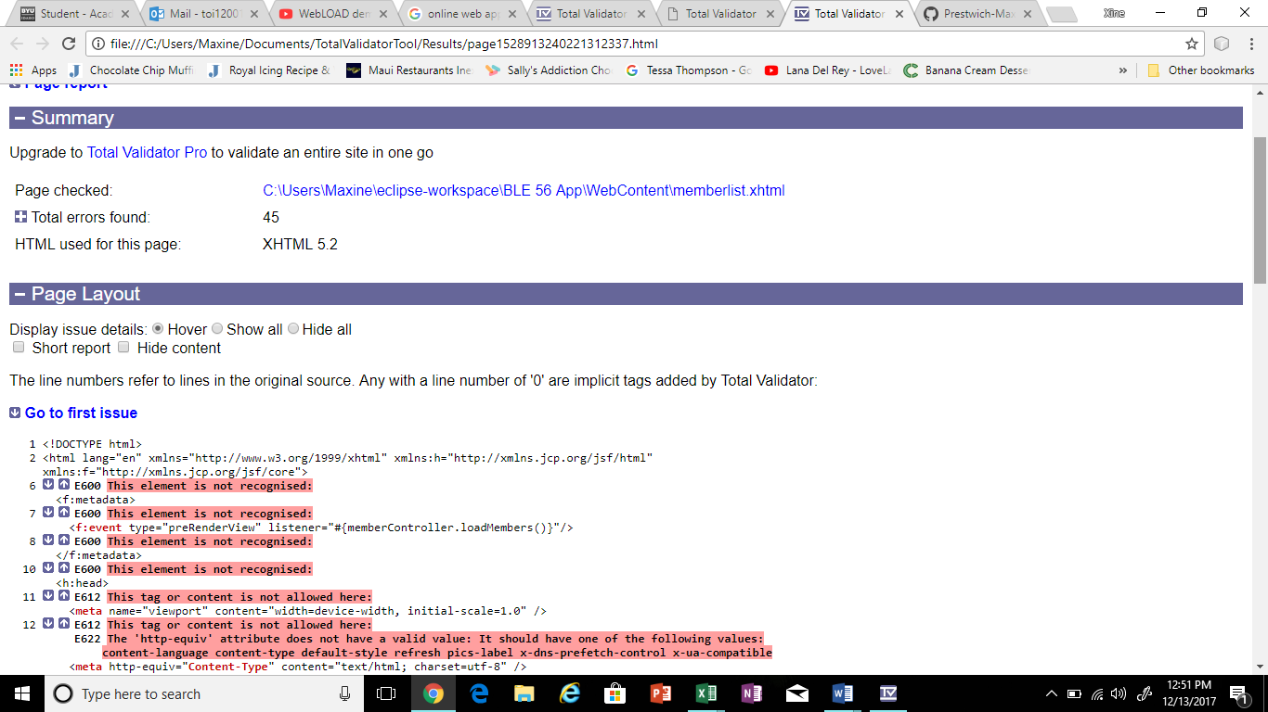
PROJECT NAME: BLE 56 Membership List App
Test Script Name: | HTML Validator
Scenario/Purpose: | Testing the validity of HTML
Prerequisites: | Familiarity with HTML
Name of Tester: | Maxine
Step | Description | Expected Results | Pass | Fail | N/A | Defect/Comments
1 | Download Total validator | Total validator downloads | X
2 | Open Total Validator and run it | File opens and runs | X
3 | Enter http url or app web page | local file opens | X
3 | Run test | Test runs | X
4 | Web page opens to reveal results | Results are read | X

Test Results: 45 errors
Test: Successful because it displays all the errors in the page

